graph 1
State wise Horizontal Bar graph of percentageof useof methods for birth control

 | Urban | Rural | Total (2019-20) | Total (2015-16) | Adilabad | Bhadradri | Hyderabad | Jagitial | KumurumBheem | Medchal-Malkajgiri | Nirmal | Peddapalli | Ranga Reddy | Sangareddy | Vikarabad | Wanaparthy, | Yadadri
Female sterilization (%) | 61.3 | 62.2 | 61.9 | 54.2 | 50.2 | 68.2 | 64.6 | 47.7 | 46.9 | 65.8 | 53.8 | 60 | 67.6 | 56.8 | 68.7 | 74.4 | 72.3
Male sterilization (%) | 1.4 | 2.3 | 2 | 1.6 | 0.6 | 2.2 | 0 | 6.3 | 0.3 | 0.8 | 0.3 | 3.3 | 0.1 | 0.3 | 0 | 0 | 0.2
IUD/PPIUD (%) | 1 | 0.2 | 0.5 | 0.4 | 0 | 0.3 | 1.8 | 0.8 | 0.1 | 0.9 | 0.6 | 0.1 | 0.3 | 0.6 | 0.3 | 0.2 | 0.3
Pill (%) | 1.2 | 0.5 | 0.8 | 0.3 | 1.2 | 0.9 | 1.9 | 0.7 | 0.5 | 1.4 | 1 | 0.5 | 0.7 | 2 | 0 | 0.3 | 0
Condom (%) | 1.3 | 0.5 | 0.8 | 0.5 | 1.5 | 1.4 | 1.1 | 0.8 | 0.8 | 1.3 | 0.4 | 0.3 | 0.7 | 1.1 | 0.4 | 0.3 | 0.7
Injectables (%) | 0.1 | 0.1 | 0.1 | 0 | 0 | 0.3 | 0 | 0 | 0.2 | 0.6 | 0.2 | 0.3 | 0.1 | 0.1 | 0 | 0 | 0.2

graph 2
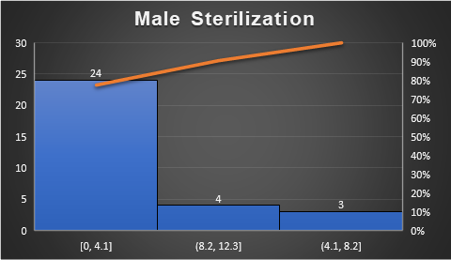
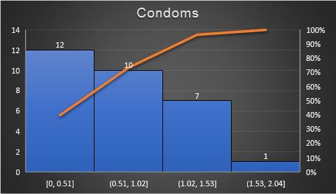
Methods | Adilabad | Bhadradri | Hyderabad | Jagitial | Jangoan | Jayashankar Bhupalapally | Jogulamba Gadwal | Kamareddy | Karimnagar | Khammam | KumurumBheem | Mahabubabad | Mahabubnagar | Mancherial | Medak | Medchal-Malkajgiri | Nagarkurnool | Nalgonda | Nirmal | Nizamabad | Peddapalli | Rajanna Sircilla | Ranga Reddy | Sangareddy | Siddipet | Suryapet | Vikarabad | Wanaparthy, | Warangal Rural | Warangal Urban | Yadadri
Female sterilization (%) | 50.2 | 68.2 | 64.6 | 47.7 | 67.2 | 51 | 71.5 | 55.9 | 44.4 | 73.8 | 46.9 | 68.9 | 68 | 53.9 | 53.9 | 65.8 | 73.2 | 75.1 | 53.8 | 52.4 | 60 | 49.9 | 67.6 | 56.8 | 54.5 | 75.9 | 68.7 | 74.4 | 47 | 50.1 | 72.3
Male sterilization (%) | 0.6 | 2.2 | 0 | 6.3 | 1.4 | 11.3 | 0 | 0.1 | 10.9 | 0.4 | 0.3 | 4.6 | 0 | 0.5 | 0.3 | 0.8 | 0 | 0 | 0.3 | 0 | 3.3 | 5.9 | 0.1 | 0.3 | 0.9 | 0.4 | 0 | 0 | 8.7 | 11.2 | 0.2
IUD/PPIUD (%) | 0 | 0.3 | 1.8 | 0.8 | 0.3 | 0 | 0.5 | 0.3 | 0.1 | 0.2 | 0.1 | 0 | 0.3 | 0.2 | 0 | 0.9 | 0.8 | 0.4 | 0.6 | 0 | 0.1 | 0 | 0.3 | 0.6 | 0.7 | 0 | 0.3 | 0.2 | 0 | 0.4 | 0.3
Pill (%) | 1.2 | 0.9 | 1.9 | 0.7 | 0.3 | 0.5 | 0.2 | 0.2 | 0.1 | 0.4 | 0.5 | 0.4 | 0.1 | 0.2 | 0.3 | 1.4 | 0.6 | 0.5 | 1 | 1.2 | 0.5 | 0.3 | 0.7 | 2 | 1.3 | 0.4 | 0 | 0.3 | 0.8 | 0.7 | 0
Condom (%) | 1.5 | 1.4 | 1.1 | 0.8 | 0.4 | 1 | 0.1 | 0.3 | 0.6 | 0.8 | 0.8 | 0.3 | 0.4 | 0 | 0.7 | 1.3 | 0.6 | 0.7 | 0.4 | 1.5 | 0.3 | 1.8 | 0.7 | 1.1 | 1.3 | 0.3 | 0.4 | 0.3 | 0.3 | 1.2 | 0.7
Injectables (%) | 0 | 0.3 | 0 | 0 | 0 | 0.2 | 0 | 0 | 0 | 0 | 0.2 | 0 | 0 | 0.2 | 0 | 0.6 | 0.2 | 0 | 0.2 | 0.4 | 0.3 | 0.3 | 0.1 | 0.1 | 0 | 0 | 0 | 0 | 0.3 | 0 | 0.2

Results
Results

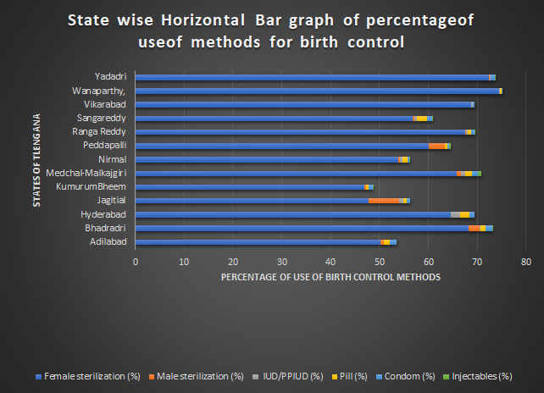

Fig 1 shows statewise bar graph of percentage of use of various methods for birth control .
The above graph clearly indicates that around 45% to 75% population uses female sterilization for birth control .
The above graph also indicates that other 5 methods are used in a very low proportion.

Fig 2 | Fig 3

Fig 2 shows that around 80% of telengana districts use male sterilization | Fig 3 shows that around 70% of telengana districts use condom
method in a very low proportion( less than 4%). | method in a very low proportion( less than 1%).
Maximum use of male sterilization method by any district is only 12.3% which is very low | Maximum use of condom method by any district is only 2.04% which is very low

method graph
Methods | Average |  | Adilabad | Bhadradri | Hyderabad | Jagitial | Jangoan | Jayashankar Bhupalapally | Jogulamba Gadwal | Kamareddy | Karimnagar | Khammam | KumurumBheem | Mahabubabad | Mahabubnagar | Mancherial | Medak | Medchal-Malkajgiri | Nagarkurnool | Nalgonda | Nirmal | Nizamabad | Peddapalli | Rajanna Sircilla | Ranga Reddy | Sangareddy | Siddipet | Suryapet | Vikarabad | Wanaparthy, | Warangal Rural | Warangal Urban | Yadadri
Female sterilization (%) | 60.76129032 |  | 50.2 | 68.2 | 64.6 | 47.7 | 67.2 | 51 | 71.5 | 55.9 | 44.4 | 73.8 | 46.9 | 68.9 | 68 | 53.9 | 53.9 | 65.8 | 73.2 | 75.1 | 53.8 | 52.4 | 60 | 49.9 | 67.6 | 56.8 | 54.5 | 75.9 | 68.7 | 74.4 | 47 | 50.1 | 72.3
Male sterilization (%) | 2.290322581 |  | 0.6 | 2.2 | 0 | 6.3 | 1.4 | 11.3 | 0 | 0.1 | 10.9 | 0.4 | 0.3 | 4.6 | 0 | 0.5 | 0.3 | 0.8 | 0 | 0 | 0.3 | 0 | 3.3 | 5.9 | 0.1 | 0.3 | 0.9 | 0.4 | 0 | 0 | 8.7 | 11.2 | 0.2
IUD/PPIUD (%) | 0.3387096774 |  | 0 | 0.3 | 1.8 | 0.8 | 0.3 | 0 | 0.5 | 0.3 | 0.1 | 0.2 | 0.1 | 0 | 0.3 | 0.2 | 0 | 0.9 | 0.8 | 0.4 | 0.6 | 0 | 0.1 | 0 | 0.3 | 0.6 | 0.7 | 0 | 0.3 | 0.2 | 0 | 0.4 | 0.3
Pill (%) | 0.6322580645 |  | 1.2 | 0.9 | 1.9 | 0.7 | 0.3 | 0.5 | 0.2 | 0.2 | 0.1 | 0.4 | 0.5 | 0.4 | 0.1 | 0.2 | 0.3 | 1.4 | 0.6 | 0.5 | 1 | 1.2 | 0.5 | 0.3 | 0.7 | 2 | 1.3 | 0.4 | 0 | 0.3 | 0.8 | 0.7 | 0
Condom (%) | 0.7451612903 |  | 1.5 | 1.4 | 1.1 | 0.8 | 0.4 | 1 | 0.1 | 0.3 | 0.6 | 0.8 | 0.8 | 0.3 | 0.4 | 0 | 0.7 | 1.3 | 0.6 | 0.7 | 0.4 | 1.5 | 0.3 | 1.8 | 0.7 | 1.1 | 1.3 | 0.3 | 0.4 | 0.3 | 0.3 | 1.2 | 0.7
Injectables (%) | 0.1161290323 |  | 0 | 0.3 | 0 | 0 | 0 | 0.2 | 0 | 0 | 0 | 0 | 0.2 | 0 | 0 | 0.2 | 0 | 0.6 | 0.2 | 0 | 0.2 | 0.4 | 0.3 | 0.3 | 0.1 | 0.1 | 0 | 0 | 0 | 0 | 0.3 | 0 | 0.2
 |  | Total | 53.5 | 73.3 | 69.4 | 56.3 | 69.6 | 64 | 72.3 | 56.8 | 56.1 | 75.6 | 48.8 | 74.2 | 68.8 | 55 | 55.2 | 70.8 | 75.4 | 76.7 | 56.3 | 55.5 | 64.5 | 58.2 | 69.5 | 60.9 | 58.7 | 77 | 69.4 | 75.2 | 57.1 | 63.6 | 73.7
 |  |  | Adilabad | Bhadradri | Hyderabad | Jagitial | Jangoan | Jayashankar Bhupalapally | Jogulamba Gadwal | Kamareddy | Karimnagar | Khammam | KumurumBheem | Mahabubabad | Mahabubnagar | Mancherial | Medak | Medchal-Malkajgiri | Nagarkurnool | Nalgonda | Nirmal | Nizamabad | Peddapalli | Rajanna Sircilla | Ranga Reddy | Sangareddy | Siddipet | Suryapet | Vikarabad | Wanaparthy, | Warangal Rural | Warangal Urban | Yadadri

 |  |  |  |  |  |  |  |  |  | Histogram of percentage of cities using birth control methods

Female sterilization (%), Male sterilization (%), IUD/PPIUD (%), Pill (%), Condom (%)…

